TEDB Edition 40
The energy intensity of heavy rail systems, measured in Btu per passenger-mile, varies greatly. The average of all heavy rail systems in 2019 was 779 Btu/passenger-mile.

Figure 7.2. Energy Intensity of Heavy Rail Systemsa, 2019
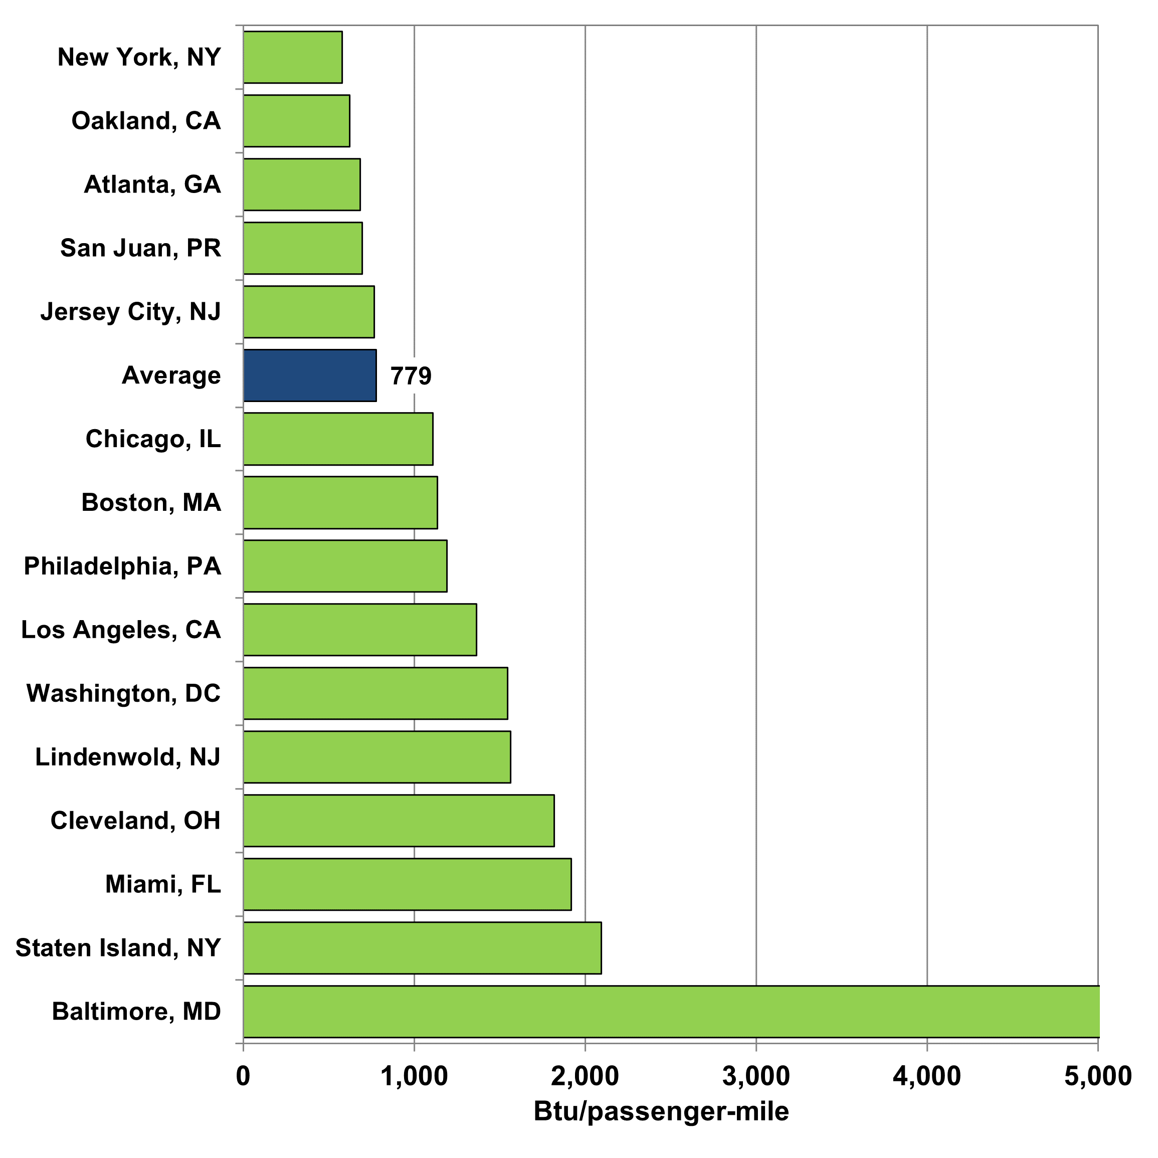

 |  | Btu per passenger-mile
 | Baltimore, MD | 5,153
 | Staten Island, NY | 2,094
 | Miami, FL | 1,917
 | Cleveland, OH | 1,820
 | Lindenwold, NJ | 1,564
 | Washington, DC | 1,545
 | Los Angeles, CA | 1,364
 | Philadelphia, PA | 1,193
 | Boston, MA | 1,135
 | Chicago, IL | 1,109
 | Average | 779
 | Jersey City, NJ | 767
 | San Juan, PR | 696
 | Atlanta, GA | 685
 | Oakland, CA | 622
 | New York, NY | 578

Source:
U.S. Department of Transportation, 2019 National Transit Database, December 2020.
(Additional resources: www.transit.dot.gov/ntd)

a An electric railway with the capacity for a heavy volume of traffic. Only end-use energy was counted for electricity. Before Edition 36, primary energy use (which included generation and distribution losses) was shown in this figure.

